Introduction
VALUE FOR MONEY EVALUATION TOOLKIT - SIMPLE PROCUREMENT

This tool is not mandatory. Check whether your agency has a tool, template or form to use instead of this toolkit.

Purpose
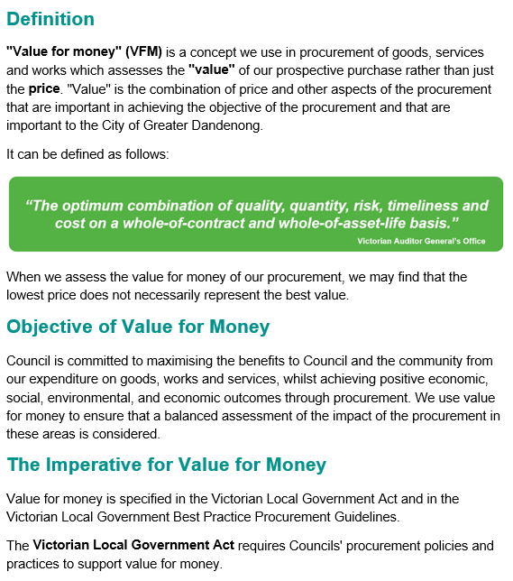

About the toolkit

Use this method when scoring desirable requirements as 0 or 5. Using 1 or 5 is effectively a pass or fail for each desirable requirement, but it is a numerical total score that can be used in the value for money ratio. This method may be used when requirements are simple and appropriate to assess as a pass/fail. The highest value for money ratio is ranked first and represents potential value for money, unless impacted by assessment of risk.

Policy
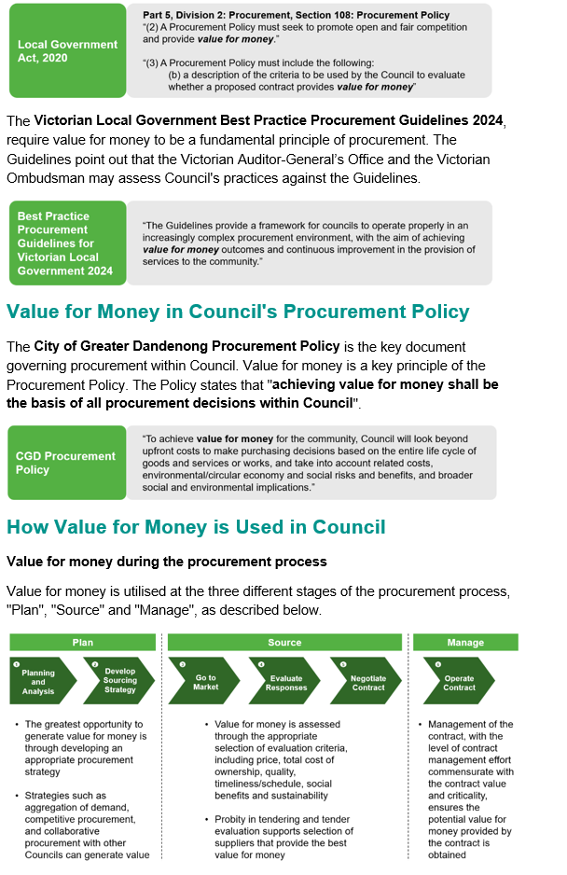
What does our policy and local government guidelines reference for VFM?
The below guidelines describe our current guidelines, legislation, and compliance requirements at the City of Greater Dandenong that drives our VFM.
Please Note**
· These are guidelines as per policies that have been approved. Guidelines and advice can be further clarified, discussed, and finalised with the Procurement team.
· The above is subject to change of policy, local government acts and the Victorian Best Practice Guidelines of 2024 and any version changes made by council and government.
· This document should be used to guide you on how we can achieve the role we should play in achieving best practice value for money as per community standards of council policy.
*For further information please contact or email the Procurement team: procurement@cgd.vic.gov.au

